Hifi DAC
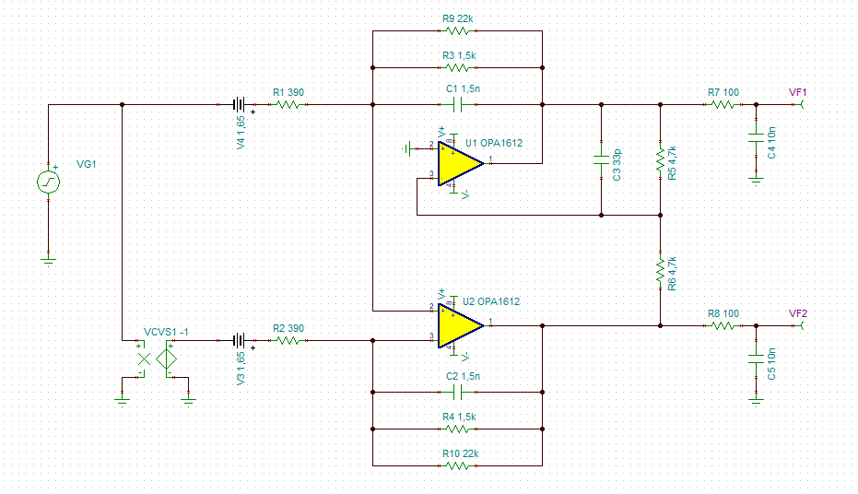
Base chip | ES9039Q2M
I/V stage opamps | OPA1612
Output | >= 9Vpp | (corresponds to ~53.5Vpp after 15.9dB amplification -> power amp with pffb)
Output option | >= 4.5Vpp | (corresponds to ~53.5Vpp after 21.5dB amplification -> power amp w/o pffb)
Output bandwidth options: low (~60kHz) or high (~300kHz) |  | diagram: 9Vpp low-bandwidth
Expected SNR (hope) | >= 128dB
Differential output | coupling caps at target
Single-ended output | as shown in datasheet
On-board low jitter MCLK | 24.576 MHz
I2S master? | also support slave, TDM, and other modes
Four 3.3V linear regulators (DAC1, DAC2, analog, digital) |  | ultra-low-noise for DACs
Option: digital 3.3V provided externally from controller
MCU for configuration, output calibration, control(?)

Required power | Required inputs | Outputs
5V clean | I2S/PCM/TDM | I2S SCLK 24.576 MHz
+15V clean | I2C from controller | Analog audio SE x2
-15V clean |  | Analog audio diff x2 (4 pins)
Optional: external 3.3VD |  | I2C to controller + interrupt pin
 |  | Option: I2S master mode

V1:
Base chip | PCM1794A
I/V stage opamps | OPA1612
Output | 4.5Vpk, 3.18Vrms | (corresponds to ~53.5Vpk after 21.5dB amplification -> power amp) | Diagram unmodified
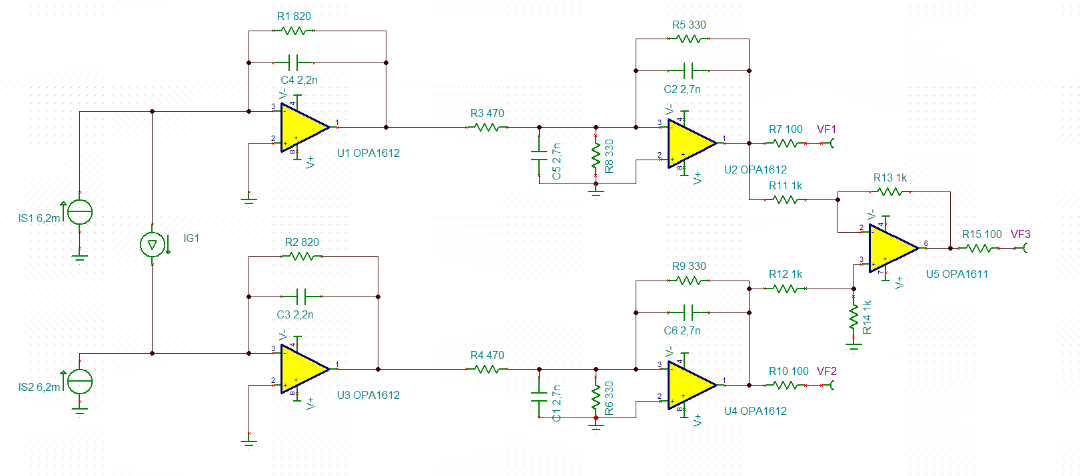
Output option | 9Vpk, 6.36Vrms | (corresponds to ~53.5Vpk after 15.9dB amplification -> power amp with pffb) | Diagram: R3/4 = 330, R5/9 = 470
Expected SNR (hope) | >= 126dB
Differential output | coupling caps at target
Single-ended output | extra differential amp
On-board low jitter SCLK | 24.576 MHz
I2S digitally isolated | Time transmitter based on DAC SCLK
Control signals low-pass filtered on input
3.3V linear regulator with ferrite bead filtering |  | TPS7A90
Avoid ground loop - probably don't connect 5V ground

LL from V1: Reduce power consumption, manage heat, use fully diff amps, revisit diff amp if necessary (died?)
4.5x and 9x versions (higher resistors): higher noise, potentially change capacitors? we'll see

TPA3255 Setup Guide
 | TPA3255 Device Setup Guide

 | Key

 | Input |  |  |  | Output
 |  | Make selection or type value. |  |  |  | Calculated value.

 | Table of Contents

 | Complete each section below to configure the TPA3255 pins. The "Pin-Out" tab provides a list of all TPA3255 pins and will update with the selections made on this tab. ("TPA3255 Setup Guide" tab)

 | 1 Output Configuration
 | 2 Output Switching Frequency (FREQ_ADJ)
 | 3 Over Current (OC_ADJ)
 | 4 Input Bulk Capacitance
 | 5 Input AC Coupling Capacitor
 | 6 Inductor
 | Appendix - Constants

 | 1 Output Configuration

 | Select the TPA3255 output configuration. The table displays the pin configurations based on the selected output configuration.

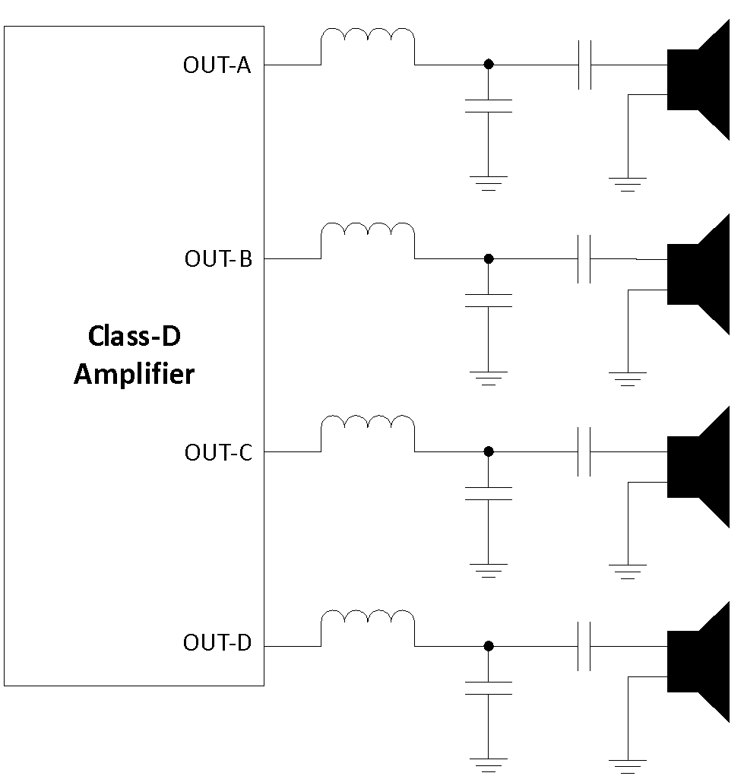
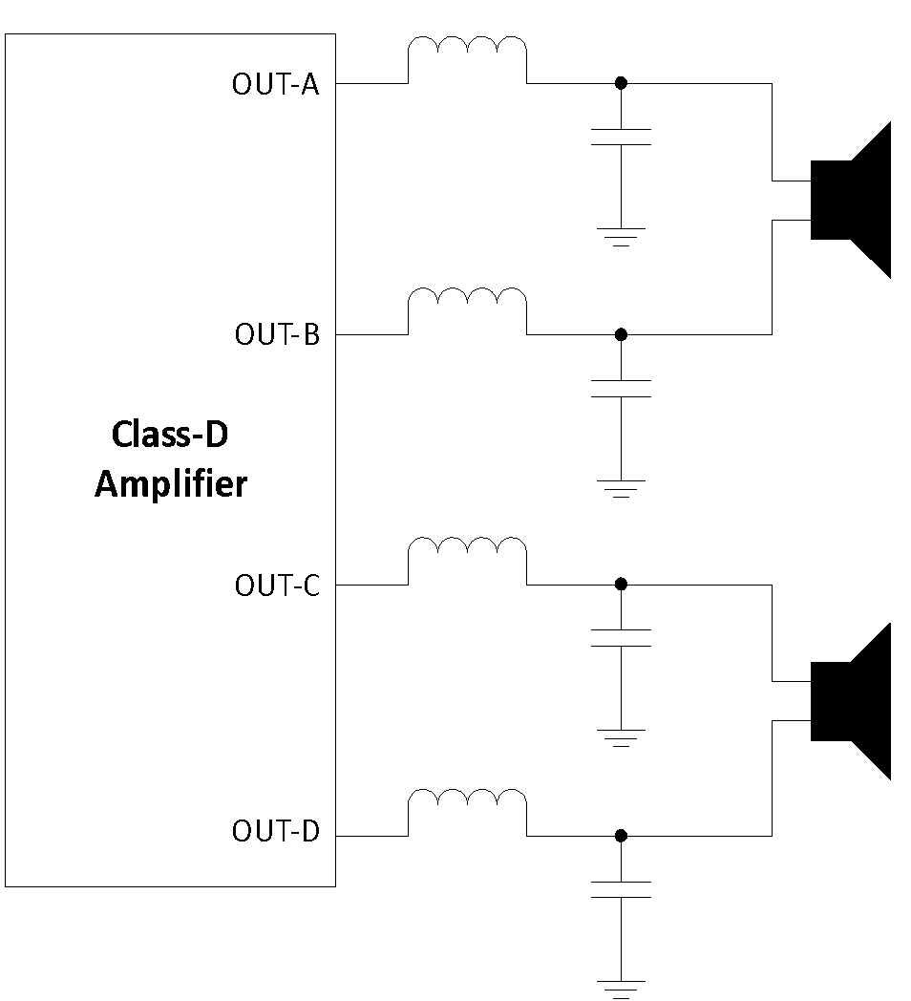
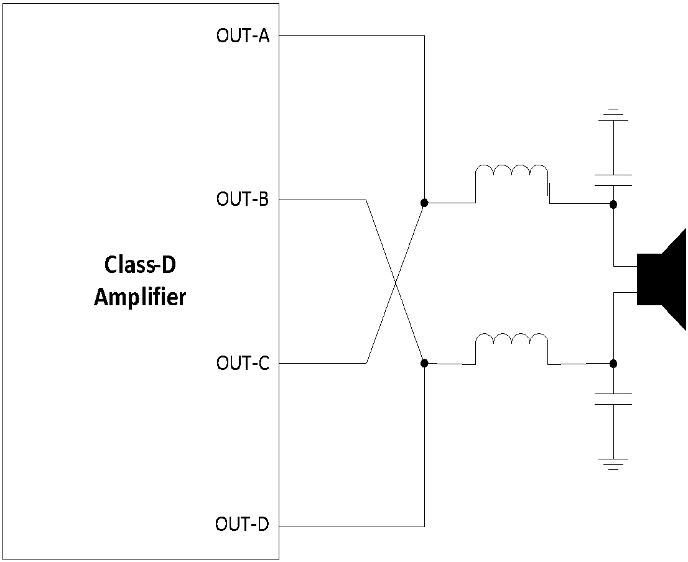
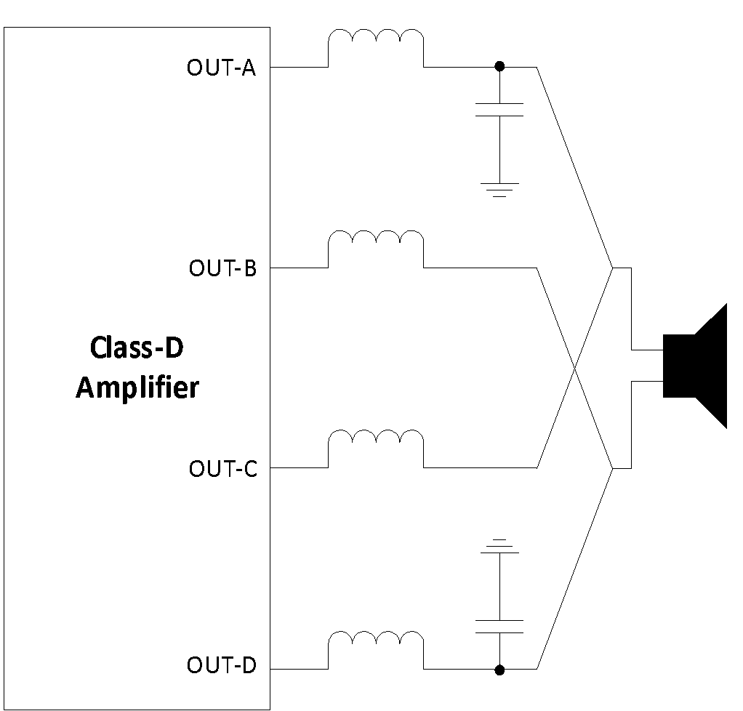

4-Channel
Single Ended (SE)
2-Channel
Bridge-Tied Load (BTL)
1-Channel
Parallel Bridge-Tied Load (PBTL)
Pre-Filter, Two Inductors
1-Channel
Parallel Bridge-Tied Load (PBTL)
Post Filter, Four Inductors

 | Output Configuration |  | Bridge-Tied Load (BTL)

 |  |  | # | PIN |  | Configuration
 |  |  | 3 | M1 |  | #ERROR!
 |  |  | 4 | M2 |  | #ERROR!
 |  |  | 15 | C_START |  | #ERROR!
 |  |  | 5 | INPUT_A |  | #ERROR!
 |  |  | 6 | INPUT_B |  | #ERROR!
 |  |  | 16 | INPUT_C |  | #ERROR!
 |  |  | 17 | INPUT_D |  | #ERROR!
 |  |  | 39-40 | OUT_A |  | #ERROR!
 |  |  | 35 | OUT_B |  | #ERROR!
 |  |  | 32 | OUT_C |  | #ERROR!
 |  |  | 27-28 | OUT_D |  | #ERROR!

 | 2 Output Switching Frequency (FREQ_ADJ)

 | Select the desired output switching frequency from the dropdown below.

 | Switching Frequency |  |  | 450 | kHz

 | Now, select if the device will use the internal oscillator or use the clock from another TPA3255. Master Mode: Switching frequency is set by internal oscillator and FREQ_ADJ pin. Connect the FREQ_ADJ pin through a resistor to ground to select the switching frequency. Slave Mode: Switching frequency is set by OSC_IOM and OSC_IOP pins connected to a "master" TPA3255. Connect FREQ_ADJ to DVDD.

 | Master / Slave Mode |  |  | Master

 | Connect the FREQ_ADJ pin as described below.

 | FREQ_ADJ Pin |  |  | 30 kΩ to GND

 | 3 Over Current (OC_ADJ)

 | The over-current limit and over-current shutdown mode are set by the external resistor on pin OC_ADJ. Use the fields below to calculate the appropriate OC_ADJ resistor value.

 | Load Impedance (Min) |  |  |  | 4 | Ω

 | Supply Voltage (Max) |  |  |  | 53.5 | V

 | Estimated Max Current |  |  |  | 13.375 | A

 | Now, select the TPA3255 current limit below that is greater than the "Estimated Max Current" above.

 | Current Limit |  |  |  | 12.9 | A

 | Select the OC Shutdown Mode: The TPA3255 has two shutdown modes, cycle-by-cycle and latching. Select one below. Cycle-by-Cycle Current Control (CB3C) - allows high output current transients above the current limit for short durations based on an internal timer. If the timer is violated, then the channel will shutdown. Latching Shutdown - immediately shuts down the amplifier channel if the OC limit is violated.

 | OC Shutdown Mode |  |  |  | Cycle-by-Cycle Current Control

 | OCJ_ADJ Resistor: Use the resistor value below between OCJ_ADJ and GND.

 |  |  |  |  | 30 | kΩ
 |  |  |  |  | Required OCJ_ADJ Resistor Value

 | 4 Input Bulk Capacitance

 | The bulk capacitor provides current during large audio transients and the decoupling capacitor provides current for the switching rise and fall. Use a 1uF decoupling capacitor directly adjacent to the TPA3255 pin. In addition, use this section to determine the minimum required bulk capacitance for each channel. Note: In most cases, the minimum capacitance should at least be doubled to provide adequate headroom to prevent audio signal distortion. To support longer and quick audio transients, 1000uF may be necessary.

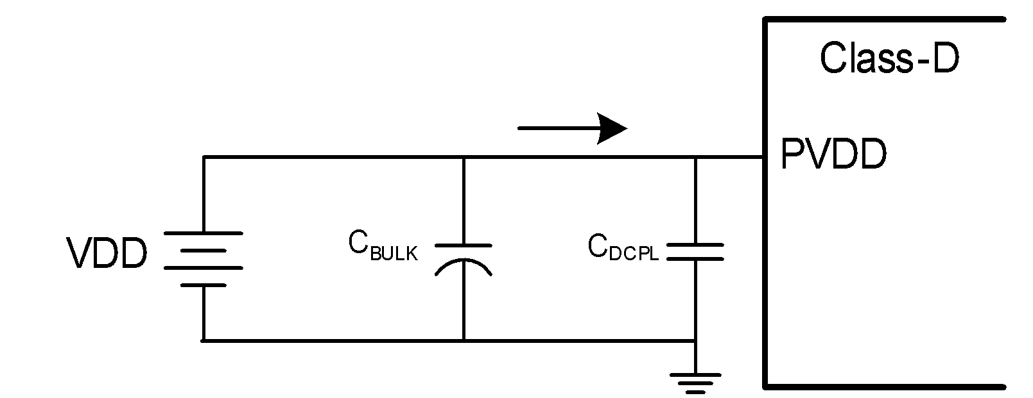

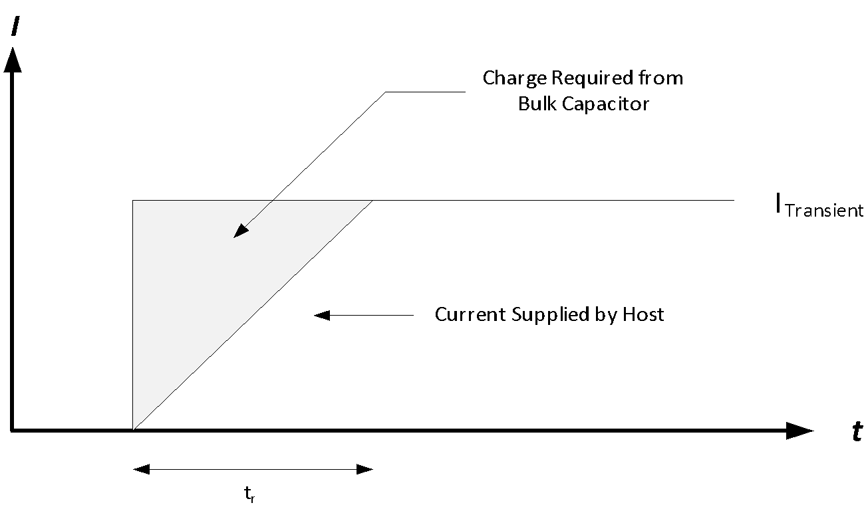

 | Enter the minimum load impedance and the peak output per channel. PVDD for channels AB and CD are shared internally, so in single-ended mode add the power for each channel.

 |  |  | 4 | Ω |  | 280 | W
 | Minimum load impedance |  |  |  | Peak output power per channel

 | The peak output current per channel is calculated below.

 |  |  | 11.83 | A |  | 450 | kHz
 | Peak Output Current per channel |  |  |  | Output switching frequency (selected above)

 | Now enter the maximum ripple. (The TPA3255 has 60dB of PSRR)

 |  |  | 0.05 | V
 | Maximum output voltage ripple

 | The minimum bulk capacitance for each channel is calculated below.

 |  |  |  |  |  | 510.1 | uF

 |  |  |  | Minimum required bulk capacitance

 | 5 Input AC Coupling Capacitor

 | Use this section to calculate the capacitor required for AC coupling inputs A, B, C, and D. Start by selecting a capacitor value. The -3dB of the high-pass filter formed by Cinput and the TPA3255 input inpedance is calculated below.

 | The fIN-3dB frequency below should target < 1/10th of the lowest targeted audio frequency to not influence low frequency THD.

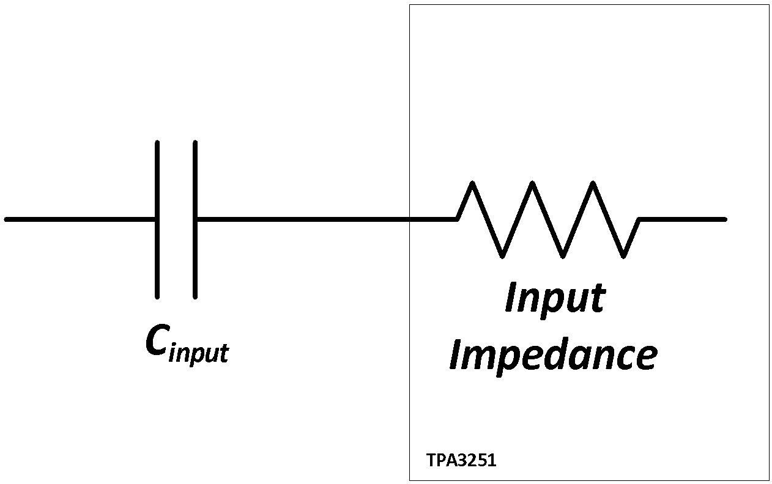
 |  |  |  |  | 4.7 | uF

 |  |  |  |  | 1.69 | Hz

 | 6 Inductor

 | The output inductor is necessary for safe performance. An absolute minimum inductor of 5μH across the operable range. Ensure that every point on the inductor curve up to and including the peak current is at least 5μH. An inductance verses current graph should be available in the inductor datasheet. An example plot is shown below1.

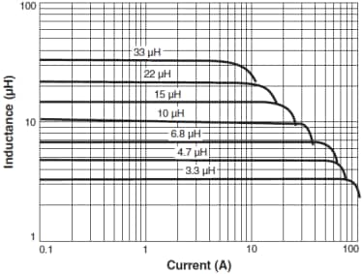

 | Insert the inductor part number below. This is for imformational purposes only. No calculations are done based off of the chosen inductor.

 | Inductor Part Number

 | The current limit selected in section 3 is put below for reference.

 | Current Limit |  |  |  | 12.9 | A
 | Maximum Output Current per channel

 | Using the inductance vs current graph in the datasheet for your chosen inductor, determine the minimum inductance up to and including the current limit listed above.

 | Minimum Inductance |  |  |  | 9 | uH
 | Minimum Inductance for current limit

 | The mimimum inductance is checked against the absoluete minimum value (5uH) necessary for safe performance. The result of the check is below.

 | Minimum Inductance |  |  |  | Acceptable
 | Needs to be above 5uH to be acceptable

 | Appendix - Constants

 |  |  | 97% |  |  | 20 | kΩ
 |  | Output Duty Cycle (Max) |  |  |  | INPUT_x input Impedance

 |  |  |  |  |  |  |  | Apr-17

1The example plot shown is from a datasheet from Coilcraft

